Instructions


INSTRUCTIONS
Welcome to the National Standard Practice Manual (NSPM) template tables. Developed by the National Efficiency Screening Project (NESP), these tables can help support jurisdictions in applying Step 1 of the NSPM framework, as well as informing Steps 2-4. The tables can help guide jurisdiction efforts to take inventory of applicable energy policies and identify associated relevant impacts, and to compare these to current cost-effectiveness testing practices.
For more details on NSPM, see https://nationalefficiencyscreening.org/national-standard-practice-manual/ . Feel free to make this workbook your own by adding rows, columns, details, removing links, etc. If you have any questions, please contact NSPM@nationalefficiencyscreening.org.

SHEETS IN THIS WORKBOOK
 | Policy_Inventory | Use this tab to catalog key policies for your state and determine their relevance to specific cost and benefit impacts.
 | CurrentCE_Policy_Alignment | Use this tab to define which impacts are currently used in cost-effectiveness testing. This tab also links to the Policy Inventory and summarizes categories identified. Feel free to remove the links if your jurisdiction needs more flexibility.
 | CETestInputs_PA_# | It may also be useful for your jurisdiction to catalog the utility and non-utility impacts currently used in cost-effectiveness testing. If there are multiple program administrators (PA) in your jurisdiction, consider having each one fill out this tab separately.
 | Definitions | Key terms and concepts as defined in the National Standard Practice Manual.

As a reminder, the NSPM framework steps are provided below. The templates herein support Step 1, and can also inform Steps 2-4 as well as provide transparency (Step 7).
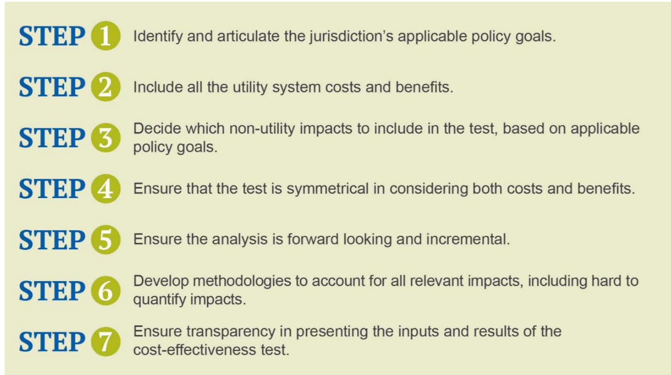

These template tables were developed for NESP by Apex Analytics.

